About


BDEQ BAU Distributed Electricity Source Capacity

Sources: | Split between solar rooftop PV and utility scale PV | Solar Power europe : EU Market Outlook 2023-2026, part 1.3, p.29
 | Historical capacities for wind and solar | IRENA Renewable Energy Statistics 2023
 | Historical capacities | ENTSO-E Statistical Factsheets 2018, 2021 and 2022
 | Forecast capacities | BPMCCS
Notes:

 | TOTAL INFORMATION FOR BDESC IS IN | BDESC-urban-residential

 | We assume a 50/50 split between commercial and residential rooftop solar.
 | See Solar Power Europe's Figure 11:
 | https://www.solarpowereurope.org/insights/outlooks/eu-market-outlook-for-solar-power-2023-2027/detail

Ff55 Policy Scenario
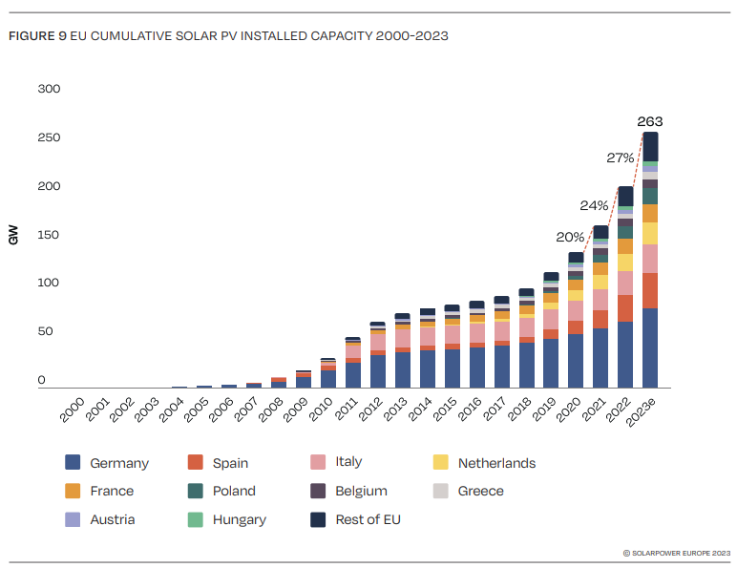
Split between Utility Scale and Rooftop PV
Source : Solar Power europe : EU Market Outlook 2023-2026, part 1.3, p.29

Capacity
% split | 2020 | 2021 | 2022 | 2023 | 2024 | 2025 | 2026 | 2030 | 2035 | 2040 | 2050
Utility Scale solar | 34% | 34% | 34% | 36% | 38% | 39% | 41% | 41% | 41% | 41% | 41%
Rooftop solar | 66% | 66% | 66% | 64% | 63% | 61% | 59% | 59% | 59% | 59% | 59%

Intrapolated
Assumption 1: between 2020 and 2022, the split between rooftop and utility scale remains constant
Assumption 2: after 2026, the split between rooftop and utility scale remains constant

BPMCCS
Capacity (MW) | 2020 | 2021 | 2022 | 2025 | 2030 | 2035 | 2040 | 2045 | 2050
Solar PV tot | 136620 | 162354 | 198326 | 253217 | 344702 | 436187 | 527672 | 619157 | 710642
Solar thermal | 2321 | 2321 | 2321 | 2321 | 2321 | 2321 | 2321 | 2321 | 2321
Solar PV + thermal | 138941 | 164675 | 200647 | 255538 | 347023 | 438508 | 529993 | 621478 | 712963
Offshore wind | 14542 | 15137 | 16749 | 24120 | 36405 | 48690 | 60975 | 73260 | 85545
Onshore wind | 162590 | 173316 | 187373 | 209765 | 247085 | 284405 | 321725 | 359045 | 396365
Solar utility scale | 46450.8 | 55200.36 | 67430.84 | 99387.6725 | 141327.82 | 178836.67 | 216345.52 | 253854.37 | 291363.22
Solar rooftop | 90169.2 | 107153.64 | 130895.16 | 153829.3275 | 203374.18 | 257350.33 | 311326.48 | 365302.63 | 419278.78

IRENA
ENTSO-E Statistical Factsheet

Load factor | 2021 | 2022 | Mean | 2025 | 2030 | 2035 | 2040 | 2045 | 2050
Solar PV + thermal | 1159.2071163 | 1223.88 | 1191.5435582 | 1191.5435582 | 1191.5435582 | 1191.5435582 | 1191.5435582 | 1191.5435582 | 1191.5435582
We assume the same load for solar PV and solar thermal
We assume the same load for utility scale and distributed PV. We take the 2021 load in 2020

Energy (MWh) | 2020 | 2021 | 2022 | 2025 | 2030 | 2035 | 2040 | 2045 | 2050
Solar Utility scale | 53846097.92 | 65773633.367 | 80346783.024 | 118424740.93 | 168398253.51 | 213091682.1 | 257785110.7 | 302478539.29 | 347171967.88
Solar rooftop | 104524778.31 | 127678229.48 | 155967284.69 | 183294344.24 | 242329194.08 | 306644127.9 | 370959061.73 | 435273995.56 | 499588929.39
Solar PV tot | 158370876.23 | 193451862.84 | 236314067.72 | 301719085.17 | 410727447.59 | 519735810.01 | 628744172.43 | 737752534.85 | 846760897.27

POLICY SCENARIO:
 | 2020 | 2021 | 2022 | 2023 | 2024 | 2025 | 2026 | 2027 | 2028 | 2029 | 2030 | 2031 | 2032 | 2033 | 2034 | 2035 | 2036 | 2037 | 2038 | 2039 | 2040 | 2041 | 2042 | 2043 | 2044 | 2045 | 2046 | 2047 | 2048 | 2049 | 2050
Cumulative installed solar | 140456.98925 | 168548.3871 | 209000 | 263000 | 326120 | 399000 | 482790 | 576000 |  |  | 902000
Cumulative installed rooftop solar |  |  | 137940 | 174000 | 212069 | 254944 | 303018 | 355000 | 379981 | 404963 | 429944
Share installed |  |  | 66% | 66% | 65% | 64% | 63% | 62% | 0.60500006601 | 0.59368068758 | 0.58236130915 | 0.58236130915 | 0.58236130915 | 0.58236130915 | 0.58236130915 | 0.58236130915 | 0.58236130915 | 0.58236130915 | 0.58236130915 | 0.58236130915 | 0.58236130915 | 0.58236130915 | 0.58236130915 | 0.58236130915 | 0.58236130915 | 0.58236130915 | 0.58236130915 | 0.58236130915 | 0.58236130915 | 0.58236130915 | 0.58236130915
 |  |  | 0.3208 | 0.4047 | 0.4932 | 0.5930 | 0.7048 | 0.8257 | 0.8838 | 0.9419 | 1.0000
https://api.solarpowereurope.org/uploads/SPE_EMO_2023_full_report_c496546963.pdf |  |  |  |  |  |  |  |  |  |  | 214972 | <- POLICY STRINGENCY
 |  |  |  |  |  |  |  |  |  |  | 0.47665667663

